India SCC estimates
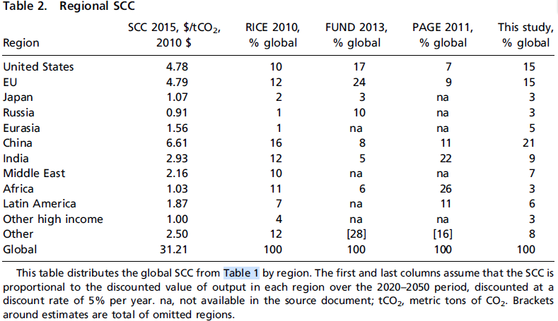
Revisiting the Social Cost of Carbon (Nordhaus, 2017)
Table 2. Regional SCC
Region | SCC 2015, $/tCO2 | RICE 2010 | FUND 2013 | PAGE 2011 | DICE 2016R
 | 2010$ | %global
India | 2.93 | 12 | 5 | 22 | 9
Global | 31.21
Others |  | 3.75 | 1.56 | 6.87 | 2.81
2012$ | 7.23

Country-level SCoC (Ricke et al, 2018)
India | 86 | $t/CO2 | 2020$
 | 76.31 |  | 2012$ | <--- too high

Estimation of SCoC based on India's Coal Cess
Wtd. avg. specific coal consumption of thermal plants in 2017 |  |  |  |  | 0.62 | kg/kWh | (Brookings, India) | Source: DICE 2016R model results, PNAS
 |  |  |  |  | 1.6129032258 | kWh/kg
 |  |  |  |  | 0.0016129032258 | MWh/kg
Wtd. avg. specific emissions for coal stations in 2017 |  |  |  |  | 0.98 | tCO2/MWh | (CEA, Baseline CO2 database)
 |  |  |  |  | 0.0015806451613 | tCO2/kg
 |  |  |  |  | 1.5806451613 | tCO2/tonne
Coal Cess/GST Compensation Cess |  |  |  |  | 400 | INR/tonne | (CERC Order)
 |  |  |  |  | 253.06 | INR/tCO2 | (2018 INR)
 |  |  |  |  | 3.93 | USD/tCO2 | (2018 USD)
 |  |  |  |  | 3.59 |  | (2012 USD)

India Projections
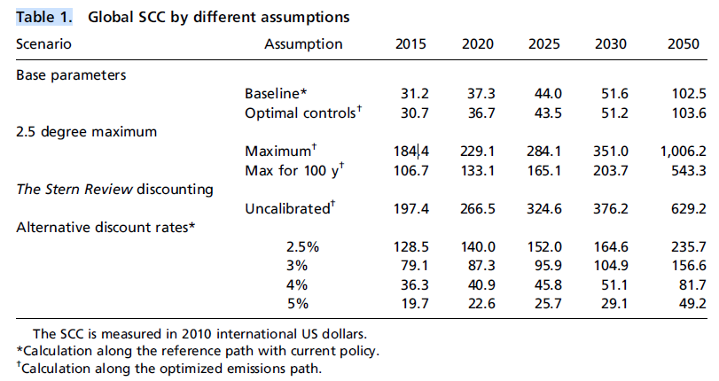
Table 1: Global SCC by different assumptions
Baseline | 2015 | 2020 | 2025 | 2030 | 2050
 | 31.2 | 37.3 | 44 | 51.6 | 102.5
Growth |  | 0.19551282051 | 0.17962466488 | 0.17272727273 | 0.98643410853
YoY growth |  | 0.039102564103 | 0.035924932976 | 0.034545454545 | 0.049321705426
India SCC | 7.23 | 9.83 | 11.72 | 13.89 | 36.39
(2012 USD)

2012 | 7.23
2013 | 7.51
2014 | 7.81
2015 | 8.11
2016 | 8.43
2017 | 8.76 |  |  |  |  | Source: DICE 2016R model results, PNAS
2018 | 9.10
2019 | 9.46
2020 | 9.83
2021 | 10.18
2022 | 10.54
2023 | 10.92
2024 | 11.32
2025 | 11.72
2026 | 12.13
2027 | 12.55
2028 | 12.98
2029 | 13.43
2030 | 13.89
2031 | 14.58
2032 | 15.30
2033 | 16.05
2034 | 16.84
2035 | 17.67
2036 | 18.54
2037 | 19.46
2038 | 20.42
2039 | 21.43
2040 | 22.48
2041 | 23.59
2042 | 24.76
2043 | 25.98
2044 | 27.26
2045 | 28.60
2046 | 30.01
2047 | 31.49
2048 | 33.05
2049 | 34.68
2050 | 36.39

